Cover
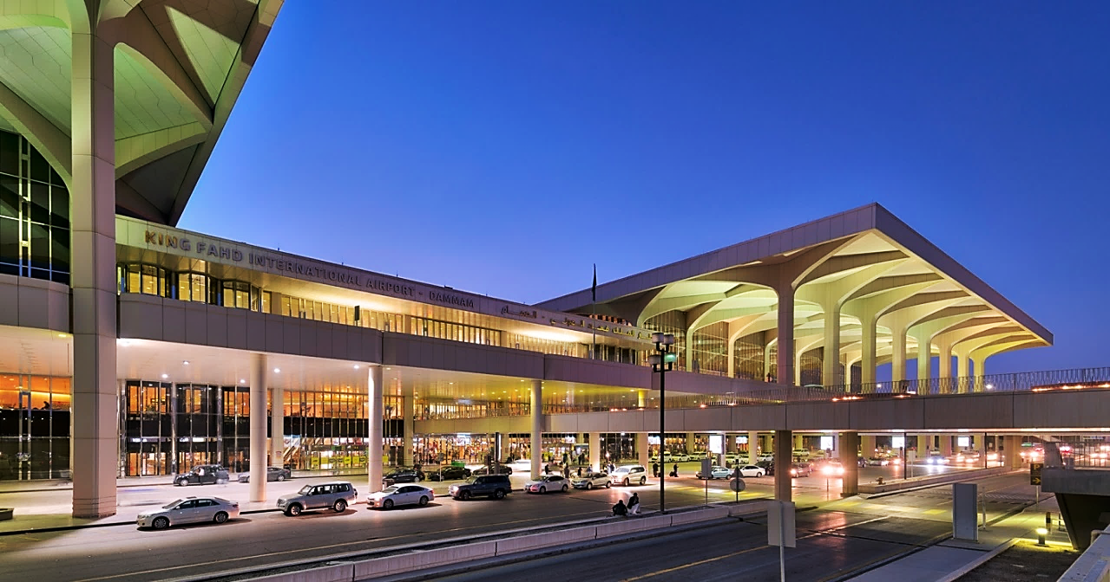

KING FAHAD INTERNATIONAL AIRPORT
LANDSIDE SERVICES

ROADS PAVEMENT
ROADS & GROUNDS / LANDSCAPING
(MONTH OF NOVEMBER)

ABATAT CONTRACTING COMPANY

Doc1
KING FAHD INTERNATIONAL AIRPORT
LANDSIDE SERVICES

ROADS PAVEMENT

NO. | DESCRIPTION | WORK ACTIVITY | PHOTOS
1 | Road cleaning and sweeping | Nabatat everyday conducting road sweeping on all roads in the airport, also removing sand build-up along the road shoulder | 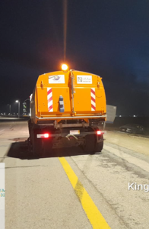 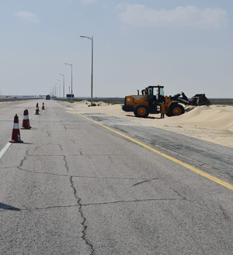
2 | Rectification of road potholes and cracks | Nabatat repair / rectify whenever have damage on the road | 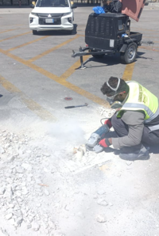 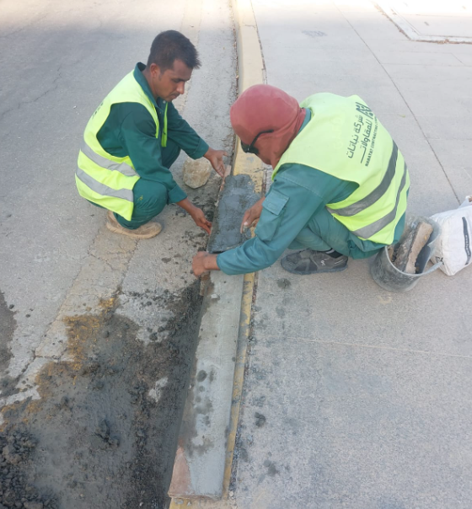
3 | Road painting | Nabatat repainting the road marking on all roads in the landside airport | 